Attachment L1- Logos
Idea Public Schools Logo

Healthy Kids Logo
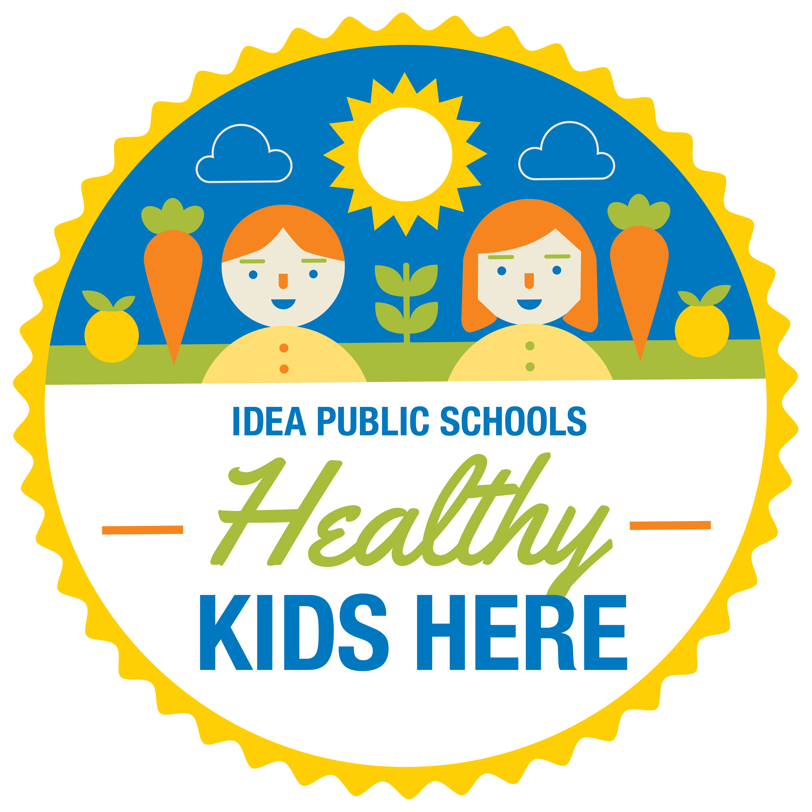

Idea Farm Logo
