3-UIL-0523 Bid Sheet
3-UIL-0523: Louisiana Bid Sheet
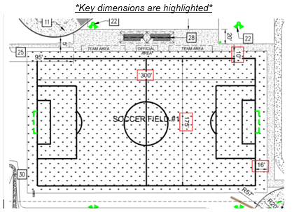
* Each field is approximately 1.5 acres or 65,340 Square Feet
Campus | Address | Price Per Field | Total Cost (USD)
Bridge | 1500 N Airway Drive Baton Rouge, LA 70815 |  | $-
Innovation | 7800 Innovation Dr Baton Rouge, LA 70820 |  | $-
Grand Total |  |  | $-

