3-UIL-0523 Bid Sheet
3-UIL-0523: Florida Bid Sheet
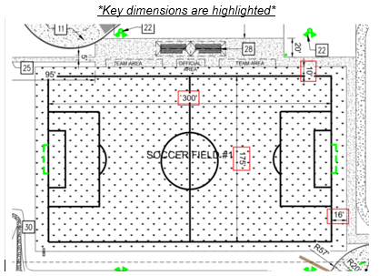
* Each field is approximately 1.5 acres or 65,340 Square Feet
Campus | Address | Price Per Field | Total Cost (USD)
Hope | 5050 E 10TH AVE, Tampa, FL 33619 |  | $-
Victory Vinik | 11612 N NEBRASKA AVE, Tampa FL 33612 |  | $-
Bassett Rd | 1845 BASSETT RD, Jacksonville FL 32208 |  | $-
River Bluff | 2354 UNIVERSITY BLVD N, Jacksonville, FL 32211 |  | $-
Grand Total |  |  | $-

